General
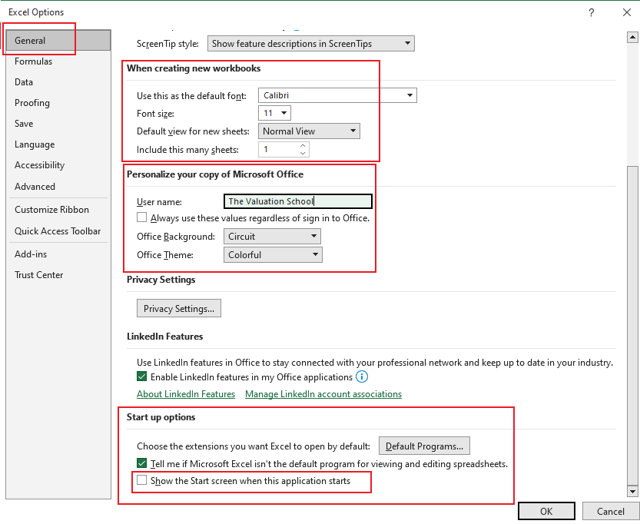


 | Go to File---> Options | Alt+F+T
 | Excel Options - General

# | Change default font to Arial Narrow
 | Change default size to 11

# | Mention your name in "User Name"

# | Ensure that "Show the start screen when this application starts" is UNTICKED

Formula
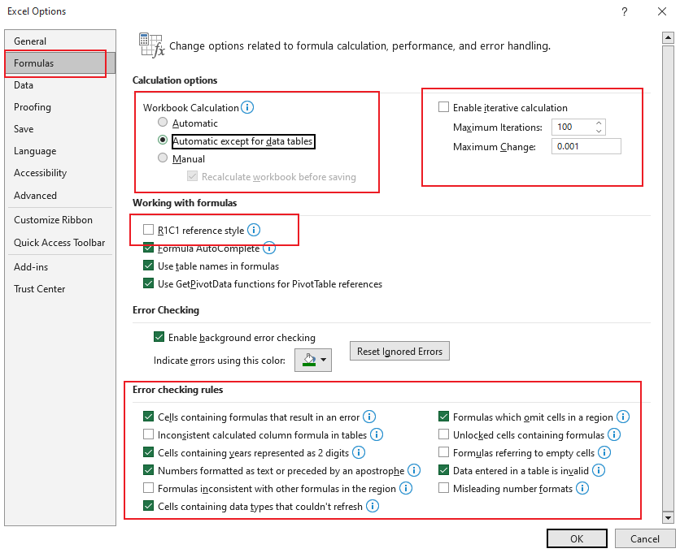
 | Go to File---> Options | Alt+F+T
 | Excel Options - Formula
 |  |  | Reiterative Calculation Example
# | In Calculation Options |  | Inputs - Sales
 | Choose Workbook Calculation as "Automatic except for data table" |  | Outputs - Total Sales
 | Ensure "Enable iterative calculation" is UNTICKED
 |  |  | Name of Company | Sales
# | In working with formulas |  | TAMO | 1000
 | Keep "R1C1 reference style" - UNTICKED |  | Maruti | 4000
 |  |  | EICHER | 500
# | In Error checking rules |  | Total | 5500
 | Ensure you UNTICKED the options as shown in below image

Save
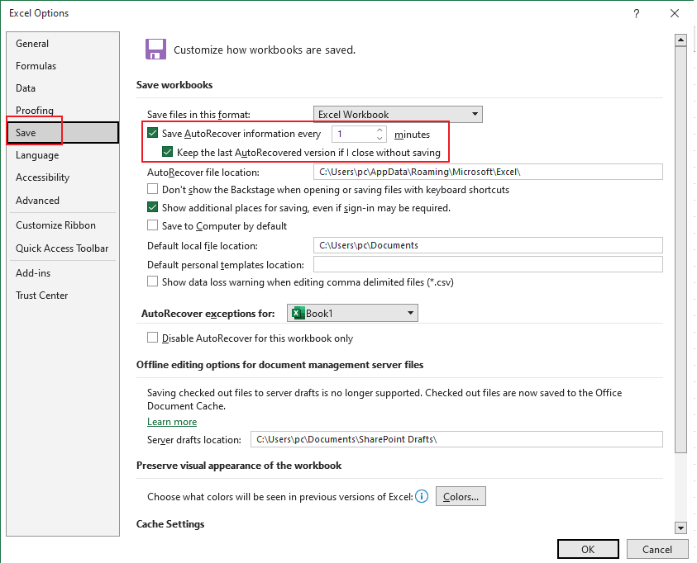
 | Go to File---> Options | Alt+F+T
 | Excel Options - Save

# | In Save workbooks
 | Keep "Save Autorecover information as 1 minutes
 | Keep the last Autorecovered version if I close without saving as TICKED

Advanced
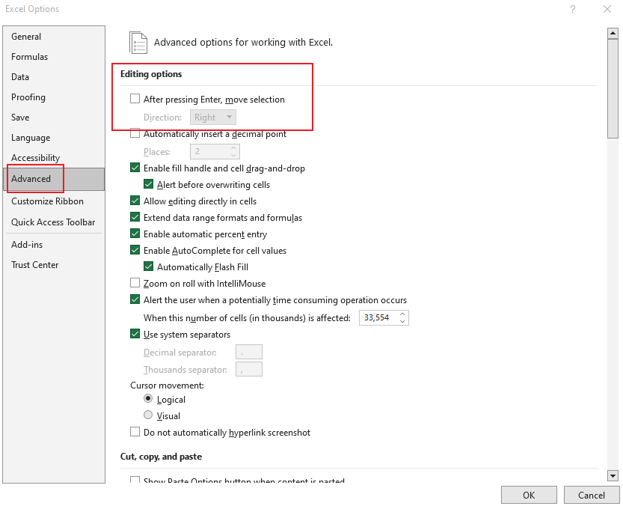
 | Go to File---> Options | Alt+F+T
 | Excel Options - Advanced

# | In Editing Options
 | Keep "After pressing Enter, move selection" UNTICKED

Add-ins
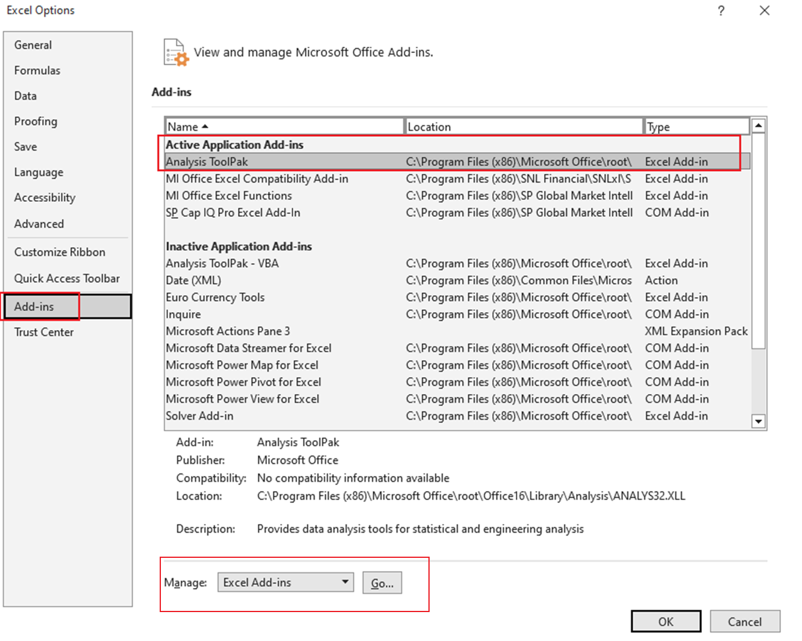
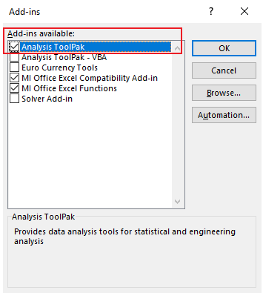
 | Go to File---> Options | Alt+F+T
 | Excel Options - Add-ins

# | In Add-ins
 | Ensure that "Analysis Toolpak" is in Active state . If its not - click on GO near Manage addins and TICK analysis Toolpak- Press OK

